Express
Express is a minimal and flexible Node.js web application framework that provides a robust set of features for web and mobile applications. It is an open source framework developed and maintained by the Node.js foundation.
https://www.tutorialspoint.com/expressjs/index.htm

npm install --save express

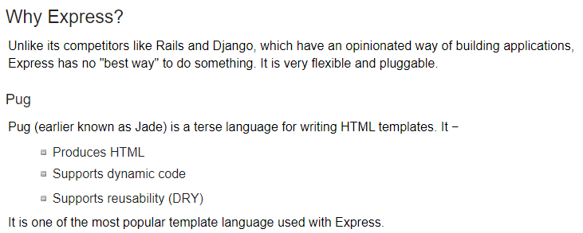
Had to add the following to package-lock.json"os": [ "darwin", "win32" ],
https://stackoverflow.com/questions/56103865/how-to-fix-unsupported-platform-for-fsevents1-2-9-wanted-osdarwin-arch

app.get(route, callback) => what to do when get
The callback function has 2 parameters,
request(req) and response(res).
-> req -> the HTTP request object
- properties for the request query string, parameters, body, HTTP headers, etc.
res -> represents the HTTP response that the Express app sends when it receives an HTTP request.
v
V

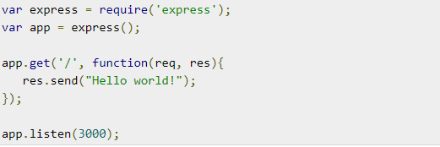

use send method of response object to send string

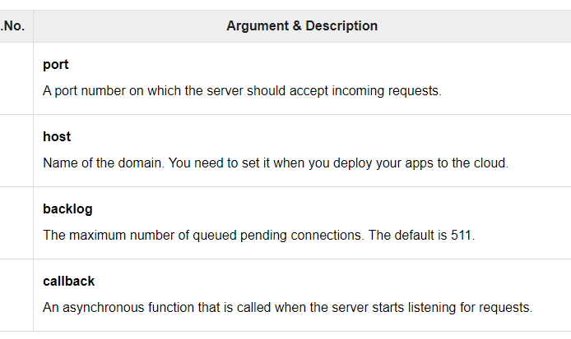
app.listen(port, [host], [backlog], [callback]])
- binds and listens for connections on the specified host and port

Express Verbs
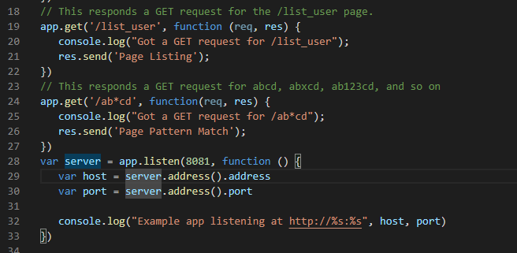
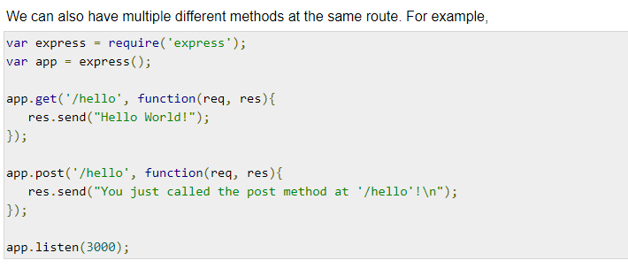
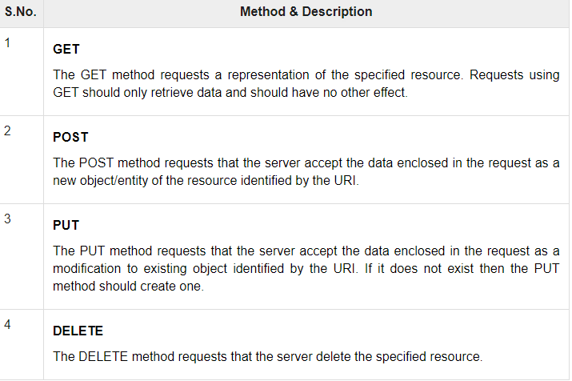
METHOD can be applied to any one of the HTTP verbs – get, set, put, delete. An alternate method also exists, which executes independent of the request type

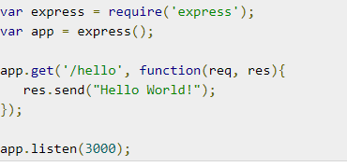

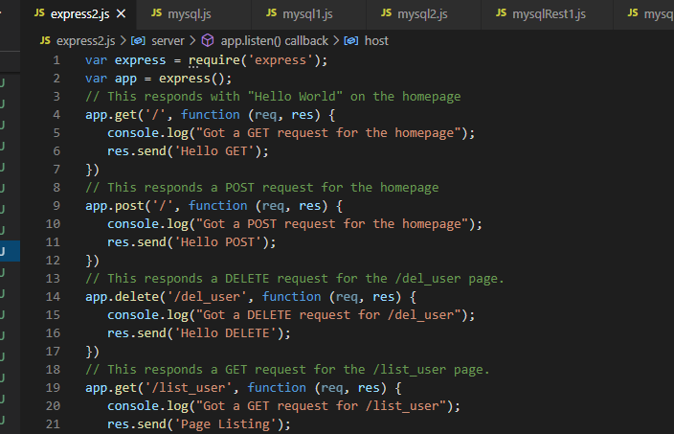

s

Express Get arg
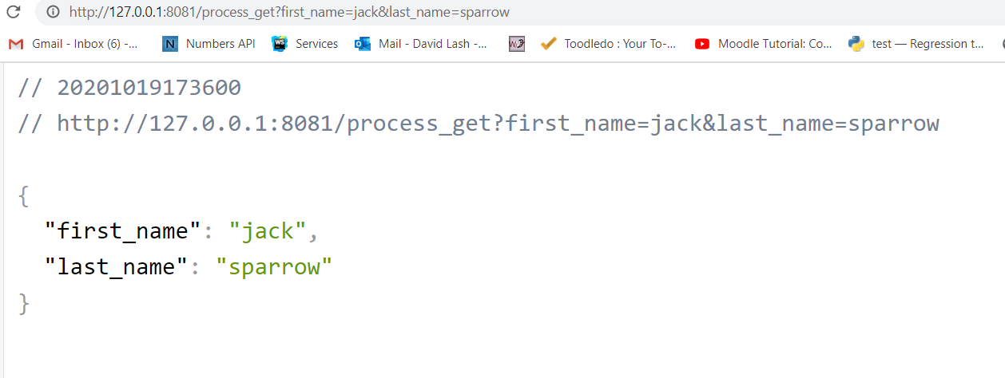
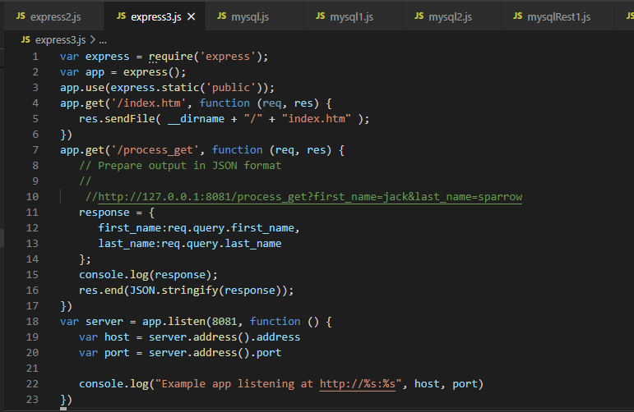

Send it data with process get front end

<html>
<body>
<form action = "http://127.0.0.1:8081/process_post" method = "POST">
First Name: <input type = "text" name = "first_name"> <br>
Last Name: <input type = "text" name = "last_name">
<input type = "submit" value = "Submit">
</form>
</body>
</html>

Express Routers
https://www.tutorialspoint.com/expressjs/index.htm
Defining routes like above is very tedious to maintain.
Uses routes ... to define resource controllers ...
To separate the routes from our main index.js file,
we will use Express.Router. Create a new file called things.js and type the following in it.

var express = require('express');
var router = express.Router();
router.get('/', function(req, res){
res.send('GET route on things.');
});
router.post('/', function(req, res){
res.send('POST route on things.');
});
//export this router to use in our index.js
module.exports = router;

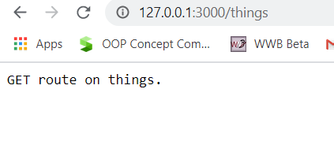

routes_things.js
and routes_man.js

var express = require('Express');
var app = express();
var router = require('./router.js');
//both index.js and things.js should be in same directory
app.use('/things', router);
app.listen(3000);

Routers => separating concerns and keep relevant portions of our code together.
building maintainable code.
You should define your routes relating to an entity in a single file and include it using the above method in your index.js file.
s

Routers sperate concerns and keep relevant portions of our code together.
They help in building maintainable code.
uses a speperate routes file and include it using index.js file

Express Dynamic routes
To use the dynamic routes, we SHOULD provide different types of routes. Using dynamic routes allows us to pass parameters and proces

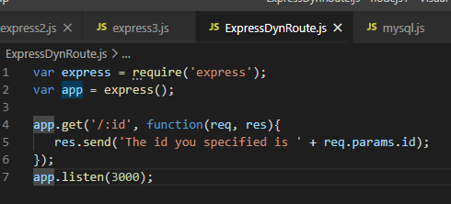

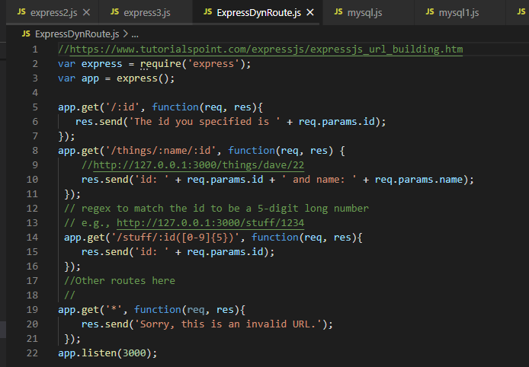

https://www.tutorialspoint.com/expressjs/expressjs_url_building.htm

Express PUG
https://www.tutorialspoint.com/expressjs/expressjs_templating.htm

Pug is a templating engine for Express.
Templating engines are used to remove the cluttering of our server code with HTML, concatenating strings wildly to existing HTML templates.
-> features including filters, includes, inheritance, interpolation, etc. .

app.set('view engine', 'pug');
app.set('views','./views');

Create called views. Inside that create a file called first_view.pug, and enter the following data in it.

https://www.tutorialspoint.com/expressjs/expressjs_templating.htm

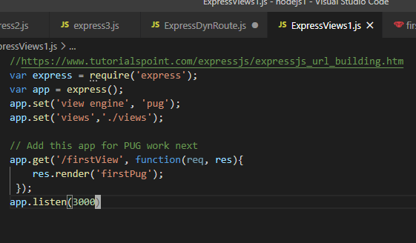
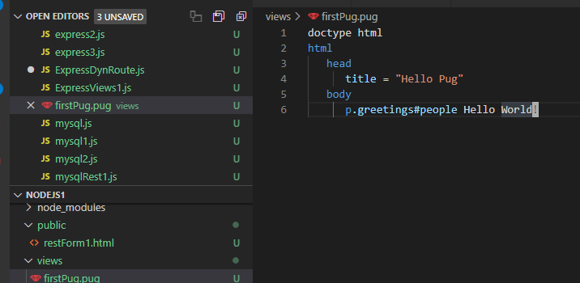

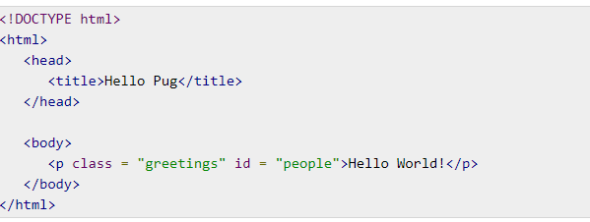

HTML output

Tags are nested according to their indentation.
E.g.,
< title> was indented within the <head> tag, so it was inside it.
But the <body> tag was on the same indentation, so it was a sibling of the <head> tag.
No need to close tags, as soon as Pug encounters the next tag on same or outer indentation level, it closes the tag for us.

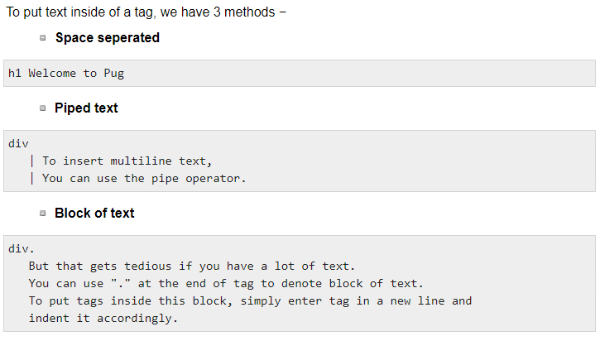

Attributes
use CSV of attributes, in parenthesis.
Class and ID attributes have special representations.
The following line of code covers defining attributes, classes and id for a given html tag.

<div class = "container column main" id = "division" width = "100" height = "100"></div>

ExpressViews1B
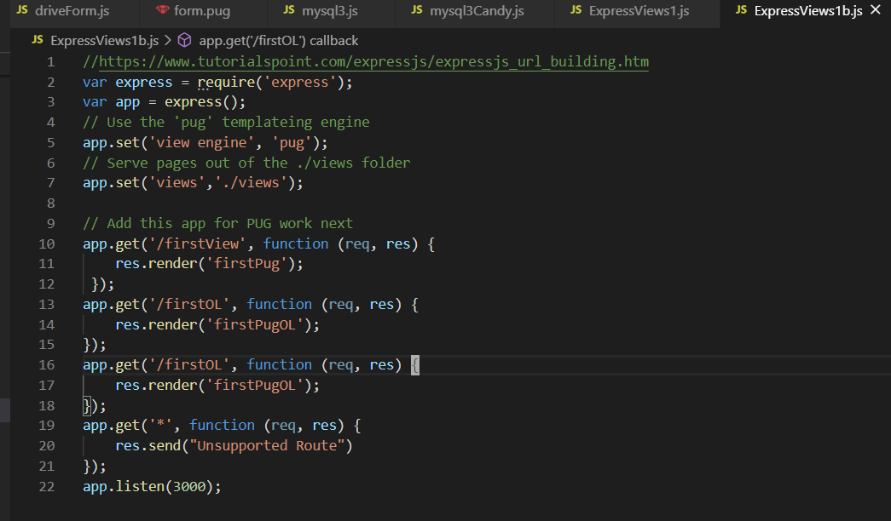

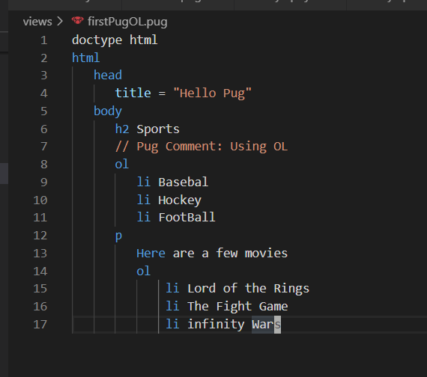

Express Pug var pass
pass it a value from our route handler, which we can then use in our template

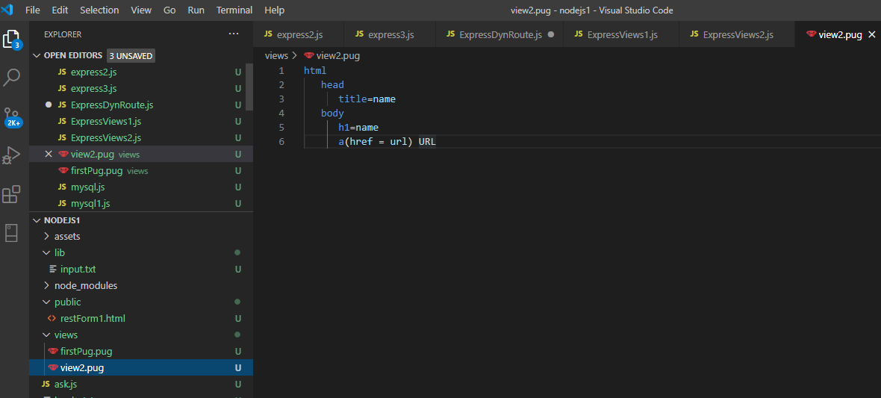

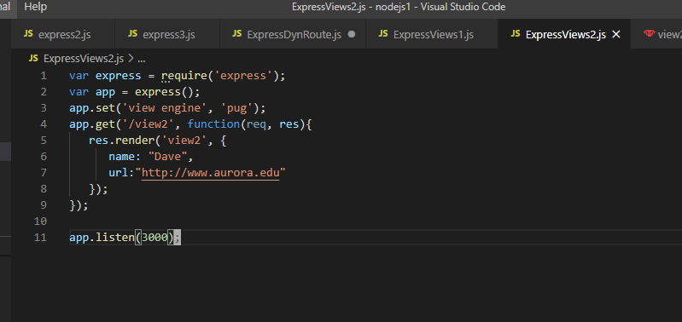

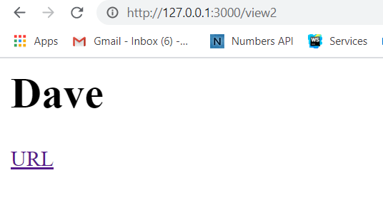

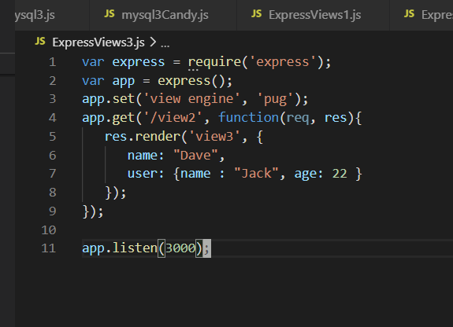

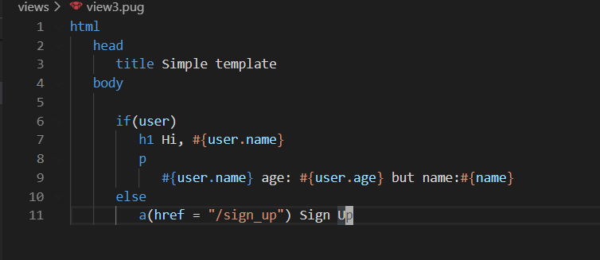

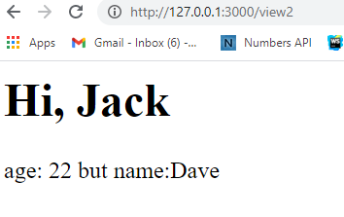

o

Express Pug Components
Include and Components
Web pages pieces
the header with logo and categories is always fixed.
Instead of copying that to every view we create, we can use the include feature.

Create header.pug, footer.pug and main.pug
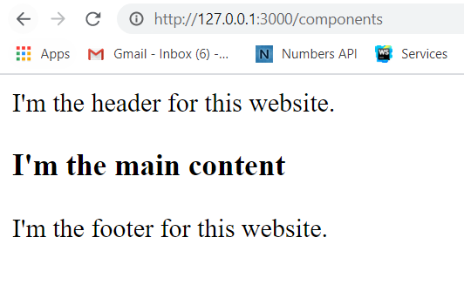

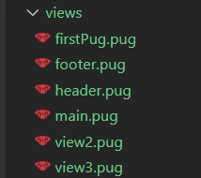

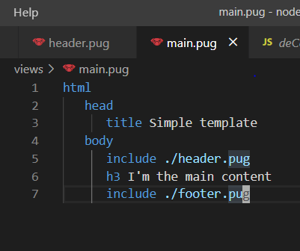
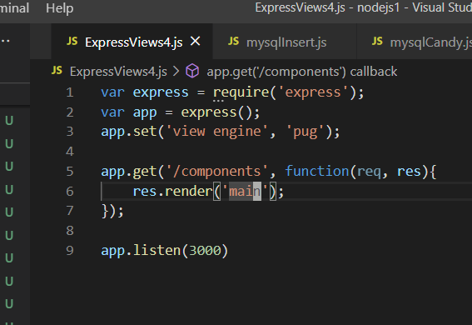

Including CSS - Need to put in a seperate directory and provide permissions
https://expressjs.com/en/starter/static-files.html

Inside public ... add a css file ... create main.css
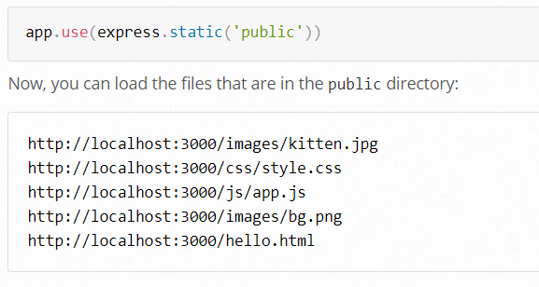

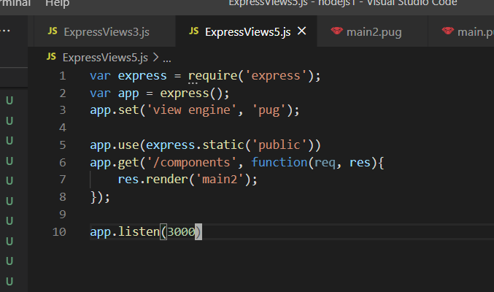

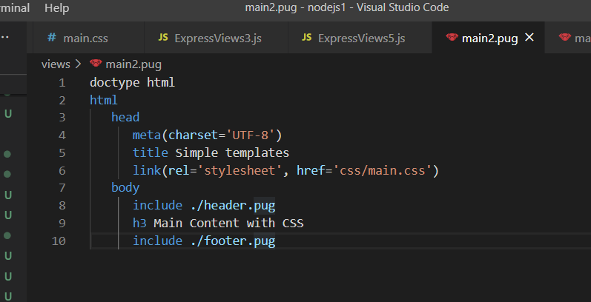

Inside css/main.css
which is
public/css/main.css

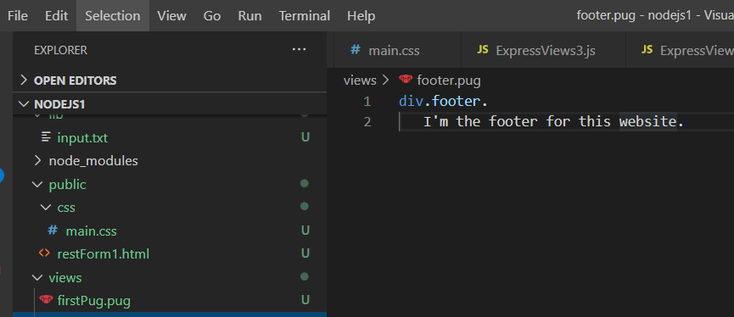

Including img - Create public/img
https://expressjs.com/en/starter/static-files.html
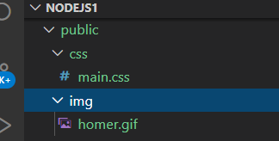
main3.pug

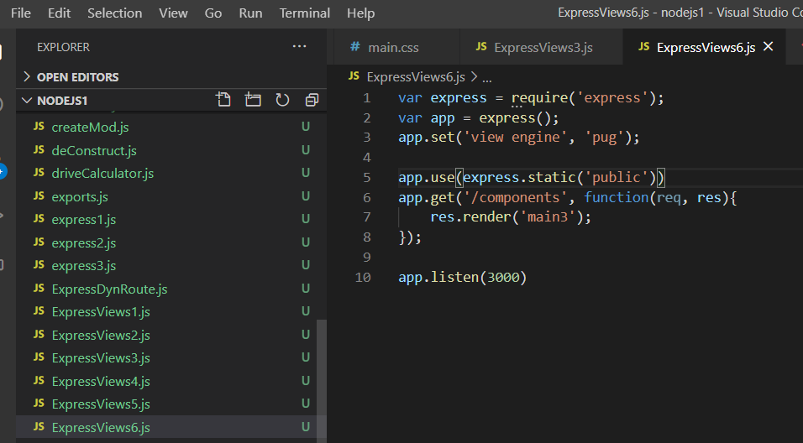

 | v

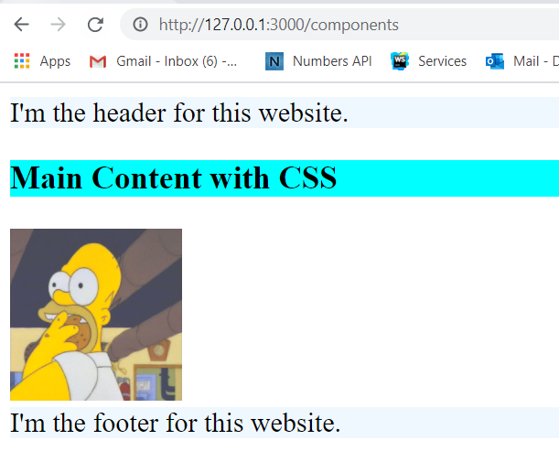

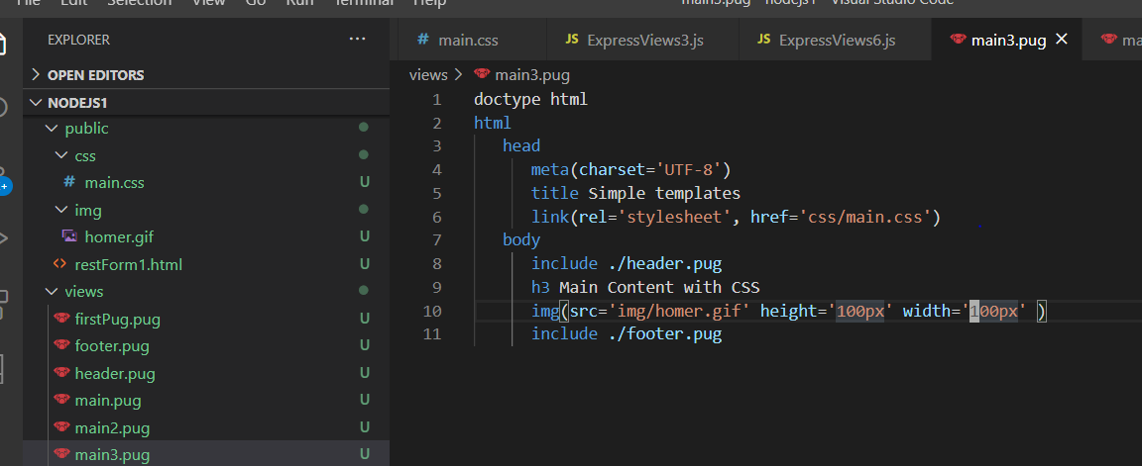

v

Express Main Table
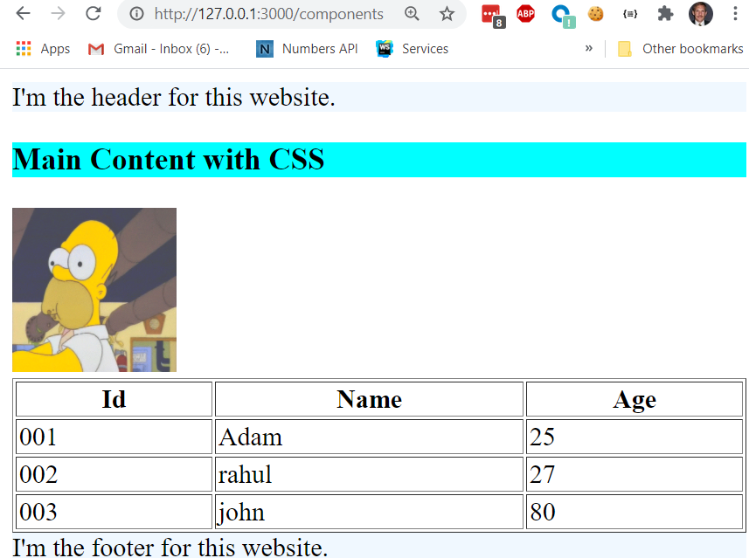
Can include html tables into pages
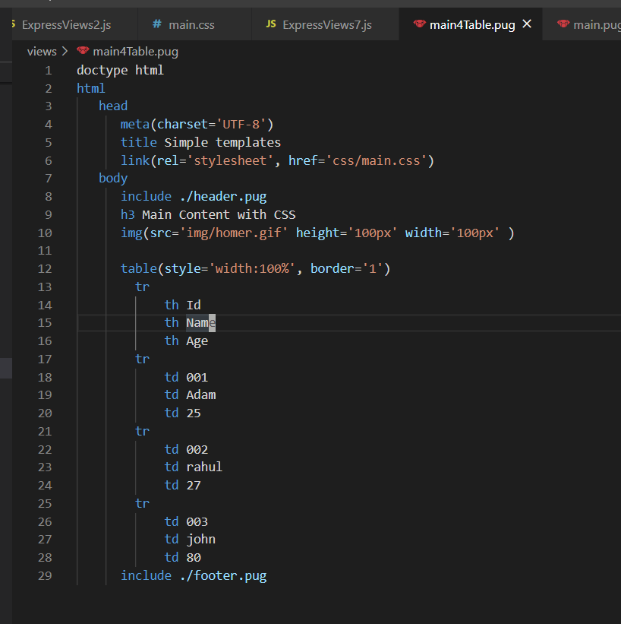
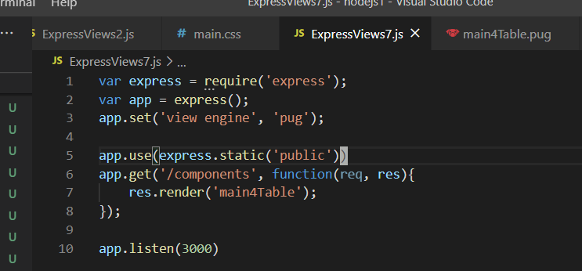

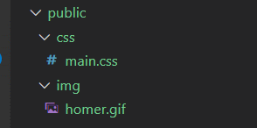
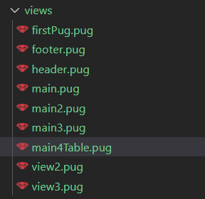

cls

Express table var pass
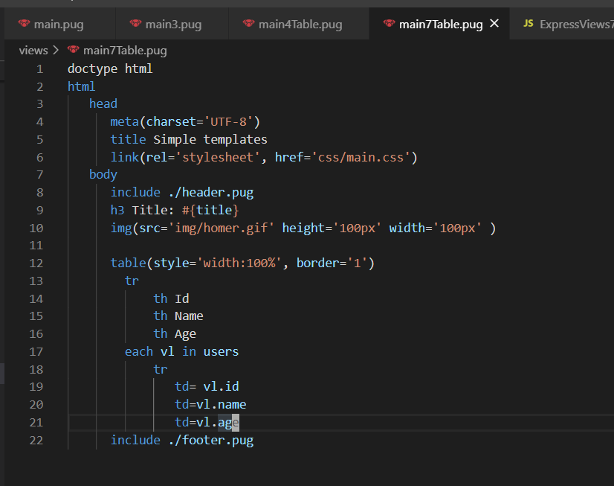
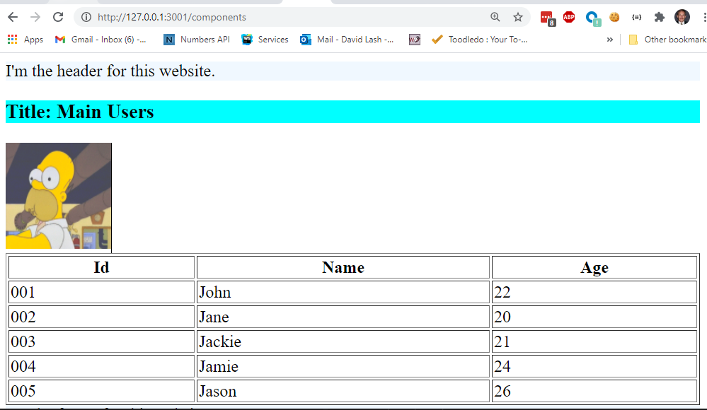
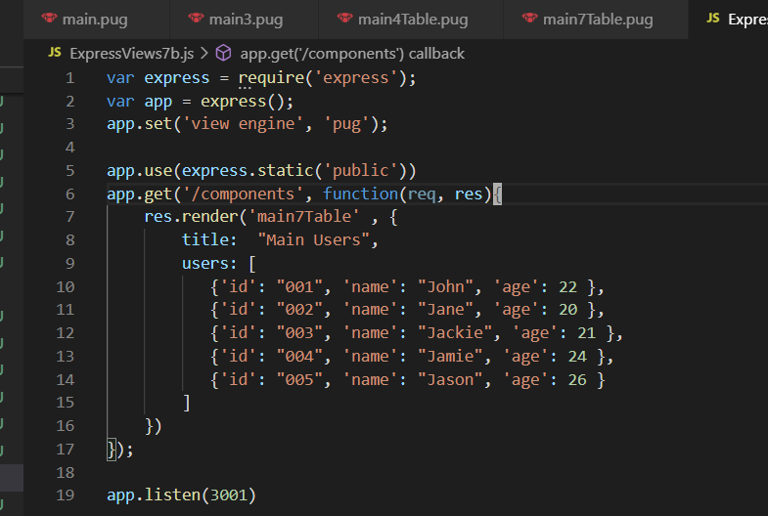
https://pugjs.org/language/iteration.html

ExpressGet
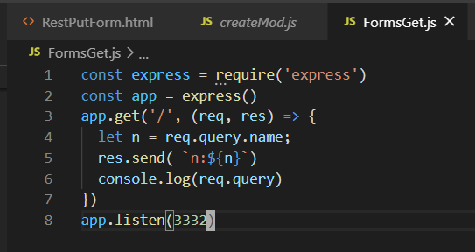
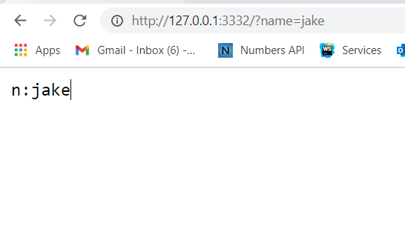
aw343
https://medium.com/hackernoon/the-definitive-guide-to-express-the-node-js-web-application-framework-649352e2ae87

Pug Examples
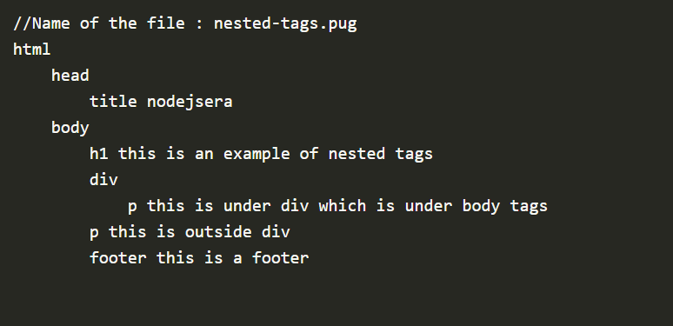
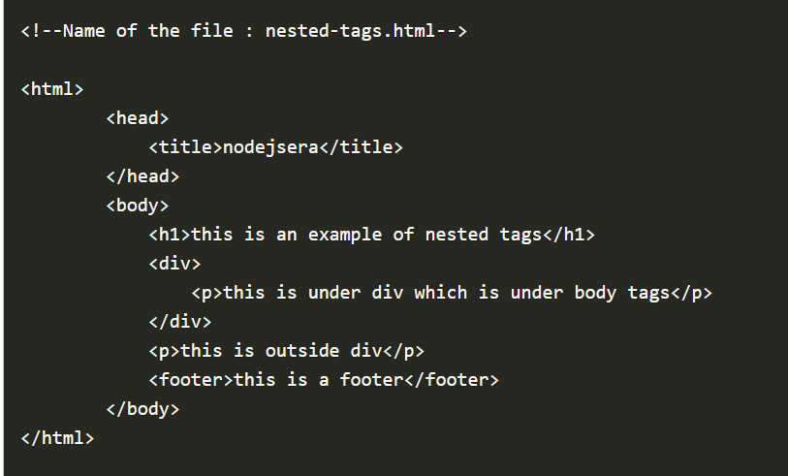

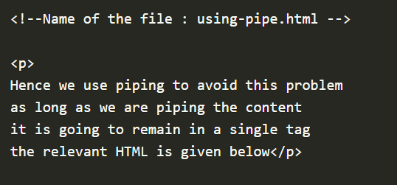


ExpressPost







MySQL


var mysql = require('mysql');
var con = mysql.createConnection({
host: "45.55.136.114",
user: "csc3610",
password: "csc3610",
database: "csc3610"
});
con.connect(function(err) {
if (err) throw err;
con.query("SELECT * FROM BestSellingBooks", function (err, result, fields) {
if (err) throw err;
console.log(result);
});
});
mysql 1

Simple Select


mysql2 ... here we get a mysql table and output a html table



Basic Insert ...





var con = mysql.createConnection({ host: "localhost", user: "yourusername", password: "yourpassword", database: "mydb" }); con.connect(function(err) { if (err) throw err; console.log("Connected!"); var sql = "INSERT INTO customers (name, address) VALUES ('Company Inc', 'Highway 37')"; con.query(sql, function (err, result) { if (err) throw err; console.log("1 record inserted"); }); });

var mysql = require('mysql'); var con = mysql.createConnection({ host: "localhost", user: "yourusername", password: "yourpassword", database: "mydb" }); con.connect(function(err) { if (err) throw err; var sql = "DELETE FROM customers WHERE address = 'Mountain 21'"; con.query(sql, function (err, result) { if (err) throw err; console.log("Number of records deleted: " + result.affectedRows); }); });
basic Delete

var express = require('express');
var app = express();
var mysql = require('mysql');
app.set('view engine', 'pug');
app.set('views','./views');
var con = mysql.createConnection({
host: "45.55.136.114",
user: "csc3610",
password: "csc3610",
database: "csc3610"
});
var bodyParser = require('body-parser');
var multer = require('multer');
const { platform } = require('os');
var upload = multer();
// for parsing application/json
app.use(bodyParser.json());
// for parsing application/xwww-
app.use(bodyParser.urlencoded({ extended: true }));
//form-urlencoded
app.post('/candy', function( req, res){
let item = req.body.item;
let count = req.body.count;
let cost = req.body.cost;
let totalValue = count * cost;
res.send(`recieved your request. <br /> item: ${item} count:${count} and cost:${cost} totalvalue:${totalValue} `);
});
app.get('/', function(req, res){
res.render('insert');
});
app.listen(3000);

Express Forms
http://expressjs.com/en/resources/middleware/body-parser.html
Parse incoming request bodies in a middleware before your handlers, available under the req.body property
Populates req.body property w/ parsed Body
form => first install the body-parser
(for parsing JSON and url-encoded data) and multer(for parsing multipart/form data) middleware.
To install the body-parser and multer, go to your terminal and use −
npm install --save body-parser multer





import parser and multer,
use the body-parser for parsing json and x-www-form-urlencoded header requests,
use multer for parsing multipart/form-data.
Let us create an html form to test this out. Create a new view called form.pug with the following code −



returns middleware that only parses json and only looks at requests where the Content-Type header matches the type optio

Returns middleware that only parses urlencoded bodies and only looks at requests where the Content-Type header matches the type option.
This parser accepts only UTF-8 encoding of the body and supports automatic inflation of gzip and deflate encodings.
A new body object containing the parsed data is populated on the request object after the middleware (i.e. req.body). This object will contain key-value pairs, where the value can be a string or array (when extended is false), or any type (when extended is true).

The req.body object contains your parsed request body.
To use fields from that object, just use them like normal JS objects.
This is the most recommended way to send a request.
There are many other ways, but those are irrelevant to cover here, because our Express app will handle all those requests in the same way.
To read more about different ways to make a request, have a look at this page.

Mysql2B




mysql2 ... here we get a mysql table and output a html table



s

MySQL3CandyForm


My
https://codingstatus.com/how-to-insert-form-data-into-the-table-using-node-js-and-mysql/





s

Express Cookies

https://www.tutorialspoint.com/expressjs/expressjs_cookies.htm

Cookies are simple, small files/data that are sent to client with a server request and stored on the client side.
Every time the user loads the website back, this cookie is sent with the request.
This helps us keep track of the user’s actions.
The following are the numerous uses of the HTTP Cookies −
Session management
Personalization(Recommendation systems)
User tracking
To use cookies with Express, we need the cookie-parser middleware

npm install --save cookie-parser

var cookieParser = require('cookie-parser');
var express = require('express');
var app = express();
app.use(cookieParser());
app.get('/', function(req, res){
let cObj = req.cookies;
console.log( `Cookie was:${cObj.name}`);
console.log( `Cookie was:${cObj.color}`);
res.cookie('name', 'JAKE');
res.cookie('color', 'blue').send('cookie set'); //Sets name = express
});
app.listen(3000);




First time ... wil output
But reload and get the following



Build this out ...
add another cookie
Check the cookie value and control the response
Set a cookie that expires in 360000 ms

Add a rout to clearCookie for size
now clearCookie ... when visit first time ... and second time

Authent
https://www.tutorialspoint.com/expressjs/expressjs_authentication.htm

Authentication -> Check out credentials provided
- Usually in DB
- match => the process is completed and the user is granted authorization for access.
Need -> a sign up page and a user-password store.
Now store in memory (normally DB)

Express Sessions

HTTP is stateless;
in order to associate a request to any other request, you need a way to store user data between HTTP requests.
Cookies and URL parameters are both suitable ways to transport data between the client and the server.
But they are both readable and on the client side.
Sessions solve exactly this problem.
You assign the client an ID and it makes all further requests using that ID.
Information associated with the client is stored on the server linked to this ID.
.
https://www.tutorialspoint.com/expressjs/expressjs_sessions.htm

Express-session, so install it using the following code.


Install npm install --save express-session
npm install --save cookie-parser

